XMOSDistrImg2
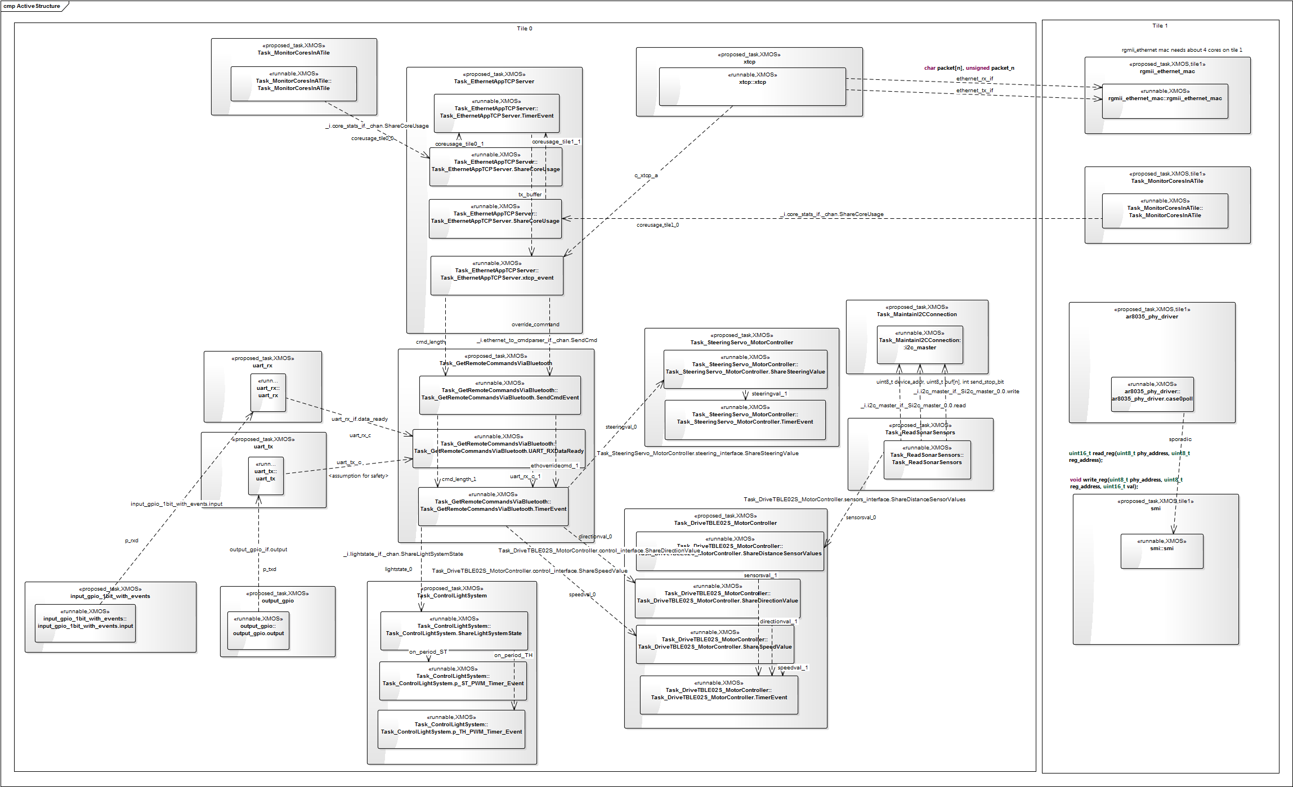

XMOSDistrImg1
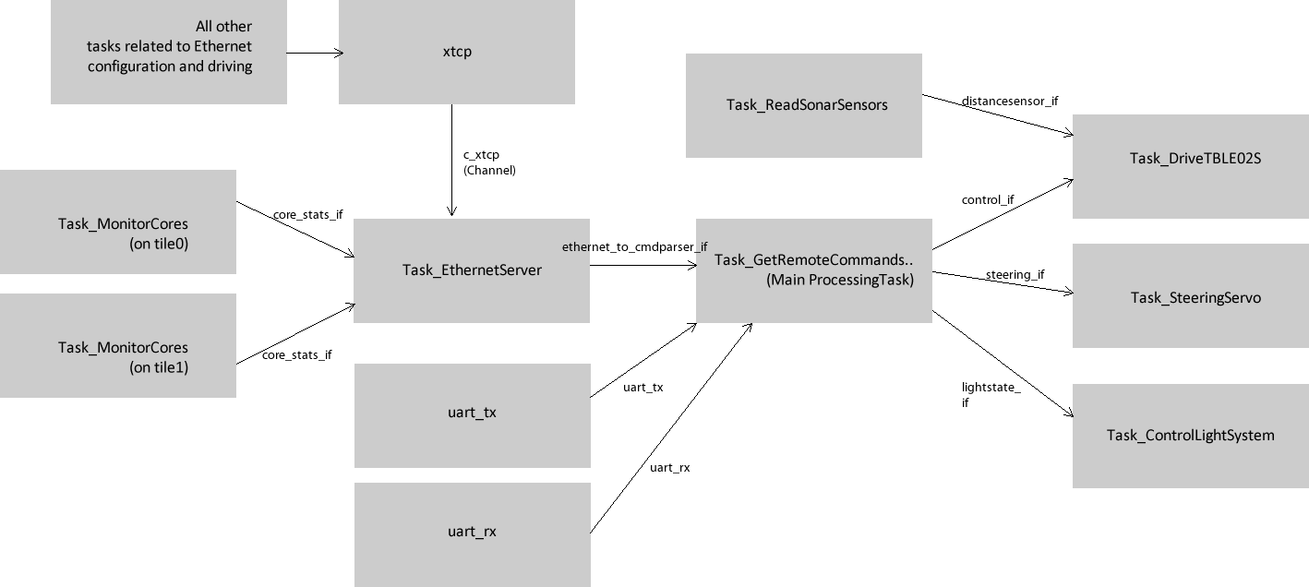
Rough representation

XMOSTaskStackAndSize
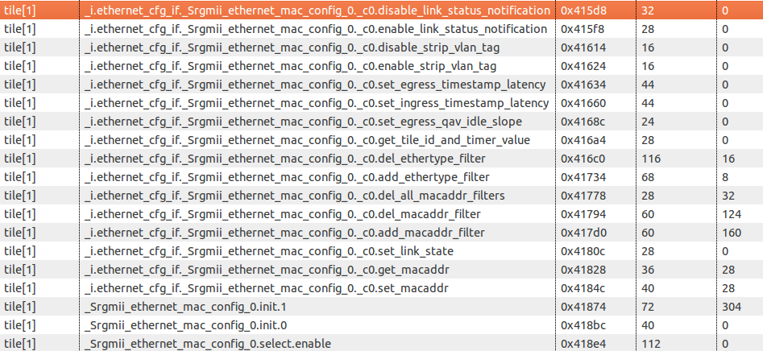
Tile | Task Name | Address | Size [bytes] | Stack Size (+decendants) [bytes] | Period (if task is Periodic)
0 | Task_MonitorCoresInATile_0 | 0x43e44 | 684 | 504
0 | Task_EthernetAppTCPServer_0 | 0x440f0 | 1036 | 3280
0 | Task_ControlLightSystem_0.init.1 | 0x44504 | 140 | 304
0 | Task_ControlLightSystem_0.init.0 | 0x44590 | 48 | 0
0 | Task_ControlLightSystem_0.select.enable | 0x445c0 | 168 | 16
0 | Task_ControlLightSystem_0.select.case.0 | 0x44668 | 108 | 8
0 | Task_ControlLightSystem_0.select.case.1 | 0x446d4 | 108 | 8
0 | Task_GetRemoteCommandsViaBluetooth_0.init.1 | 0x44ffc | 248 | 320
0 | Task_GetRemoteCommandsViaBluetooth_0.init.0 | 0x450f4 | 84 | 8
0 | Task_GetRemoteCommandsViaBluetooth_0.select.enable | 0x45148 | 168 | 8
0 | case.0 | 0x45364 | 304 | 40
0 | case.1 | 0x45494 | 180 | 32
0 | case.2 | 0x45548 | 512 | 152
0 | Task_SteeringServo_MotorController_0.init.1 | 0x45760 | 68 | 304
0 | Task_SteeringServo_MotorController_0.init.0 | 0x457a4 | 44 | 0
0 | select.enable | 0x457d0 | 112 | 8
0 | select.case.0 | 0x45840 | 208 | 88
0 | Task_ReadSonarSensors_0 | 0x45910 | 1088 | 376
0 | Task_DriveTBLE02S_MotorController_0.init.1 | 0x4601c | 84 | 304
 | init.0 | 0x46070 | 68 | 0
 | select.enable | 0x460b4 | 140 | 8
 | select.case.0 | 0x46140 | 172 | 24
 | select.case.1 | 0x461ec | 324 | 88
0 | output_gpio_0.init.1 | 0x46490 | 64 | 0
0 | output_gpio_0.init.0 | 0x464d0 | 56 | 8
0 | input_gpio_1bit_with_events_0.init.1 | 0x46508 | 32 | 0
0 | init.0 | 0x46528 | 44 | 0
0 | select.enable | 0x46554 | 60 | 0
0 | select.case.0 | 0x46590 | 84 | 8
0 | Task_MaintainI2C.init.1 | 0x467d4 | 40 | 0
 | init.0 | 0x467fc | 40 | 8

